Spring 2026
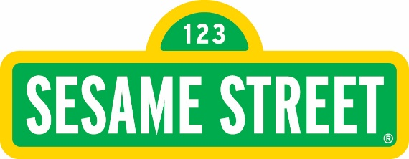
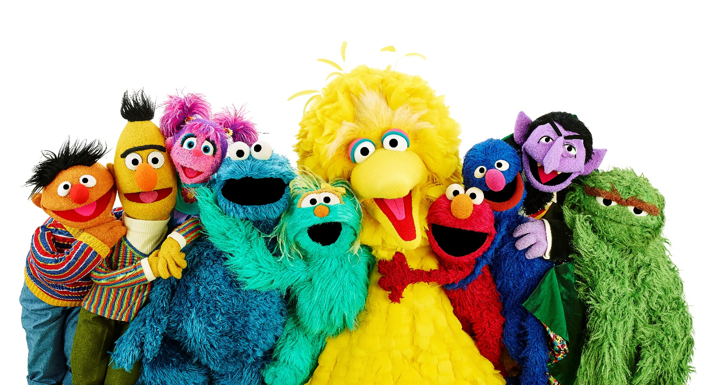
USA Sesame Street Assortment - Spring 2026
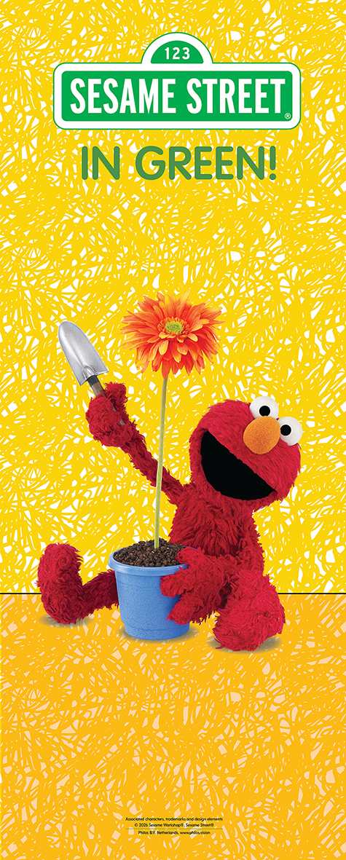

Customer:
Customer #:
Ship To:
Ship Date:
Phone:
Email:
Order Date:
Bill To:

Order Qty | Item # | UPC Code | Description | Size | Box Qty | Bulbs/Bags | Price Each | Price Per Case | Suggested Retail Price
 |  |  | Collections
 | 515112001 |  | Sesame Street Spinner Rack Collection |  |  |  |  | $1,235.87 | -
 | 1409 |  | Spinner Rack |  | 1
 |  |  | Sesame Street Capper box A |  | 2 |  | $269.10
 |  |  | Sesame Street Capper box B |  | 2 |  | $348.84
 | 515113001 |  | Sesame Street Wooden Rack Collection |  |  |  |  | $1,235.87 | -
 | 44908 |  | Wooden Rack |  | 1
 |  |  | Sesame Street Capper box A |  | 2 |  | $269.10
 |  |  | Sesame Street Capper box B |  | 2 |  | $348.84
 | 515114001 |  | Sesame Street Rack Refill |  |  |  |  | $617.94 | -
 |  |  | Sesame Street Capper box A |  | 1 |  | $269.10
 |  |  | Sesame Street Capper box B |  | 1 |  | $348.84
 | 515008001 |  | Sesame Street Roll Up Banner |  | 1 |  | $62.44 | $62.44 | -

 | 515221001 |  | Sesame Street Capper Spring Combi Box A |  |  |  |  | $268.92
 |  | 8719324197588 | Dahlia Decorative Mystery Day | I | 12 | 1 | $4.98
 |  | 8719324197632 | Spring Canna Pink Futurity | I | 15 | 1 | $4.98
 |  | 8719324197595 | Spring Dahlia Cactus Colour Spectacle | I | 12 | 1 | $4.98
 |  | 8719324197564 | Spring Gladiolus Glamini Mixed | 10/+ | 15 | 10 | $4.98
 | 515222001 |  | Sesame Street Capper Spring Combi Box B |  |  |  |  | $348.60
 |  | 8719324197571 | Spring Gladiolus Parrot Samara | 10/+ | 15 | 7 | $4.98
 |  | 8719324197601 | Spring Ixia Yellow Emperor | 5/+ | 15 | 7 | $4.98
 |  | 8719324197618 | Spring Anemone Single The Bride | 8/+ | 25 | 2 | $4.98
 |  | 8719324197625 | Spring Crocosmia Lucifer | 10/+ | 15 | 6 | $4.98
 |  |  | Seeds
 | 514114015 | 8719324197519 | Abby Cadabby's Basil Jute Bag |  | 15 | 1 | $8.98 | $134.70 | $17.96
 | 514118014 | 8719324197113 | Abby Cadabby's Herb Terracota Set |  | 14 | 1 | $10.98 | $153.72 | $21.96
 | 514103048 | 8719324197953 | Abby Caddaby's Strawberry Bio Pot |  | 48 | 1 | $3.90 | $187.20 | $7.80
 | 514105021 | 8719324197939 | Abby Caddaby's Strawberry Box |  | 21 | 1 | $11.98 | $251.58 | $23.96
 | 514117024 | 8719324197137 | Big Bird's Lettuce Cultivating Kit |  | 24 | 1 | $7.48 | $179.52 | $14.96
 | 514102084 | 8720648876790 | Big Bird's Sunflower Race |  | 84 | 1 | $5.78 | $485.52 | $11.56
 | 514113044 | 8719324197120 | Big Bird's Thyme Bucket |  | 44 | 1 | $6.98 | $307.12 | $13.96
 | 514104105 | 8719324197946 | Cookie Monster's Ceramic Pot |  | 105 | 1 | $6.82 | $716.10 | $13.64
 | 514111050 | 8719324197557 | Cookie Monster's Kitchen Herb Bar |  | 50 | 1 | $7.98 | $399.00 | $15.96
 | 514112044 | 8719324197496 | Cookie Monster's Parsley Bucket |  | 44 | 1 | $6.98 | $307.12 | $13.96
 | 514110044 | 8719324197489 | Elmo's Basil Bucket |  | 44 | 1 | $6.98 | $307.12 | $13.96
 | 514109018 | 8719324197540 | Elmo's Mini Herb Greenhouse |  | 18 | 1 | $10.16 | $182.88 | $20.32
 | 514115015 | 8719324197526 | Elmo's Parlsey Jute Bag |  | 15 | 1 | $9.08 | $136.20 | $18.16
 | 514106070 | 8719324197922 | Ernie's Seed Bomb |  | 70 | 1 | $3.22 | $225.40 | $6.44
 | 514116015 | 8719324197533 | Oscar's Chives Jute Bag |  | 15 | 1 | $9.06 | $135.90 | $18.12
 | 514137020 | 8719324197915 | Sesame Street Seed Bookmark |  | 20 | 1 | $0.86 | $17.20 | $1.72
 | 514101050 | 8720648876776 | Sesame Street Seed Confetti |  | 50 | 1 | $3.28 | $164.00 | $6.56
 | 514107024 | 8719324197908 | Sesame Street Pumpkin Blister Cookie Monster |  | 24 | 1 | $6.28 | $150.72 | $12.48
 | 514108024 | 8719324197892 | Sesame Street Pumpkin Blister Count von Count |  | 24 | 1 | $6.28 | $150.72 | $12.48
 | 515107001 |  | Mixbox |  |  |  |  | $588.32
 |  | 8719324197939 | Sesame Street Strawberry Wooden Box Abby Caddaby |  | 7 |  | $83.86
 |  | 8719324197946 | Sesame Street Ceramic Pot Cookie Monster |  | 15 |  | $102.30
 |  | 8720648876776 | Sesame Street Seed Paper Confetti |  | 25 |  | $82.00
 |  | 8720648876790 | Sesame Street Sunflower Game Big Bird |  | 12 |  | $69.36
 |  | 8719324197922 | Sesame Street Seeds Bomb Ernie |  | 50 |  | $161.00
 |  | 8719324197953 | Sesame Street Bio Pot Abby Caddaby |  | 12 |  | $46.80
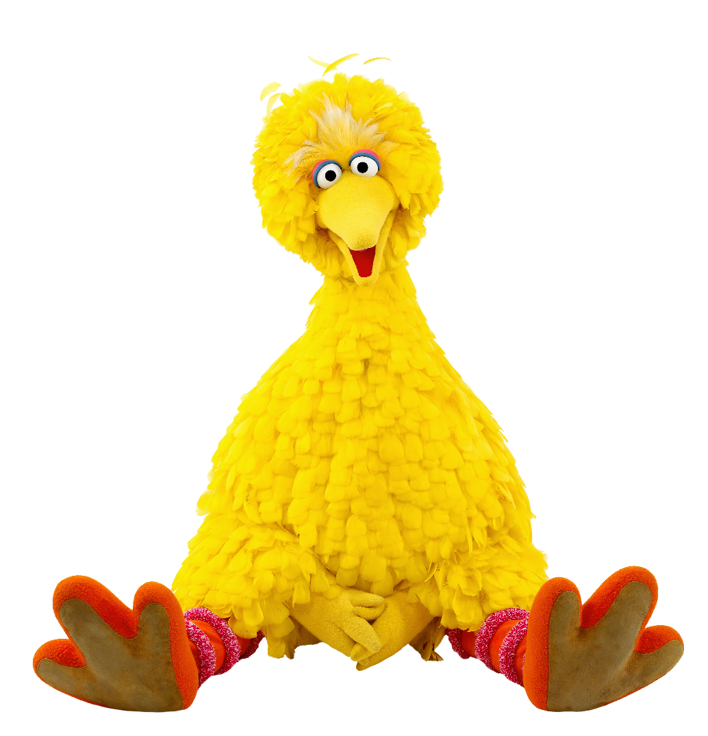
 |  | 8719324197915 | Sesame Street Bookmark |  | 50 |  | $43.00

